Dynamic Images
Names | Names with out "_" | Images | Rank | Name | Name on Dashboard | Precentage
Rovan_Hossam | Rovan Hossam | 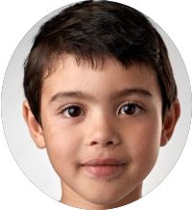 | 1st | Rovan_Hossam | Kenzi Mohamd | 99.88%
Rony_Beyablo | Rony Beyablo |  | 2nd | Rony_Beyablo | Do Elesawy | 98.17%
Adam_Hisham | Adam Hisham | 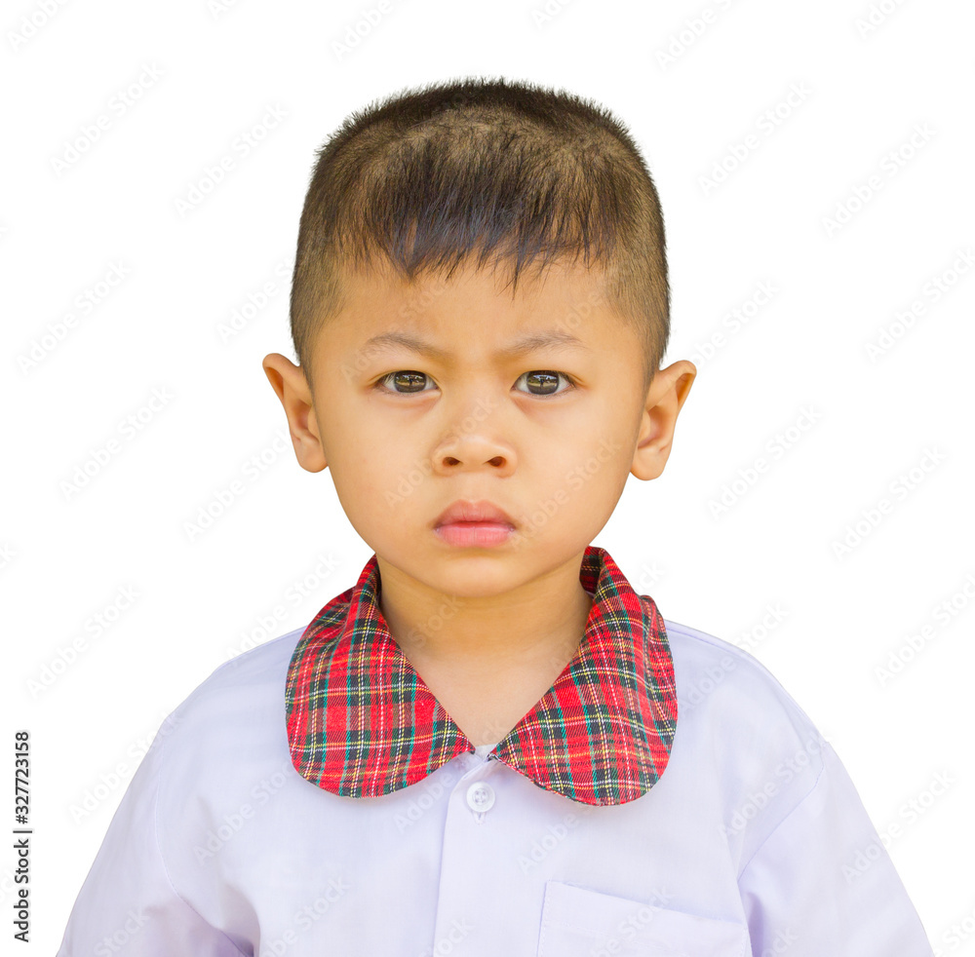 | 3rd | Adam_Hisham | Adam Hisham | 97.32%
Kenzi_Mohamd | Kenzi Mohamd | 
Do_Elesawy | Do Elesawy | 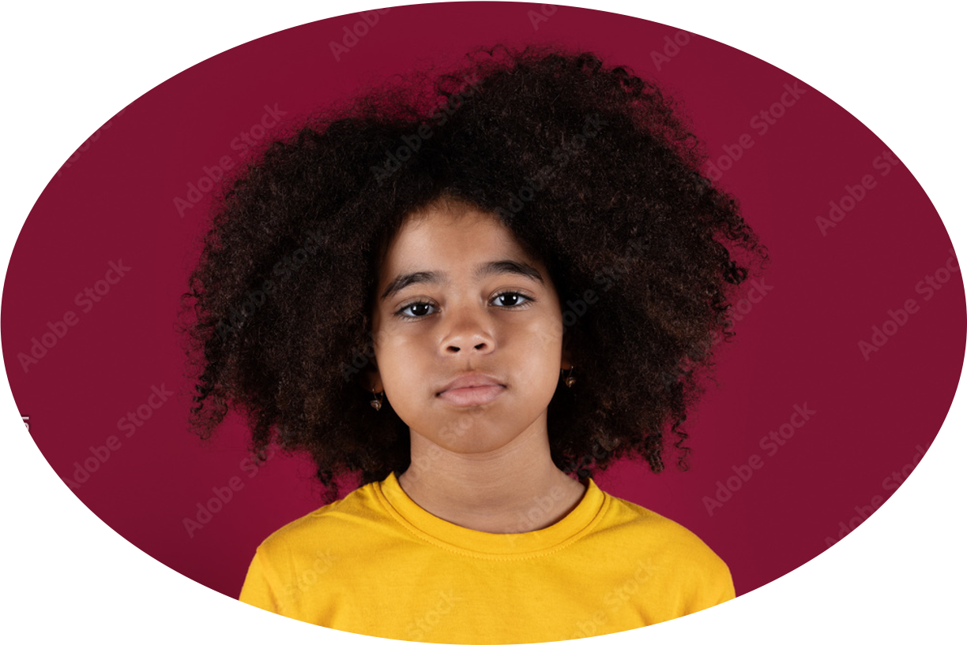
Jean_Ali | Jean Ali
Rovan_Hossam | Rovan Hossam

main Dashboard
Welcome to DIDI's Smart School
School Year 2022-2023

Schools
Teachers
Students
Parents
Exams
Student
Teachers
Parents
Events
Dashboard
33
99
128
10

Calendar Attendance
Educational Stage
All data in thousands, 2022-2023

 | Total
Elementary School | 38
Preschool | 32
Primary school | 29
Primary School
29

Pre School
32

Elementary School
38

Activities & Events
View All

Back to school dance

Elimination Game

Kenzi Mohamd
Do Elesawy
Adam Hisham
Fall sports Rally
99.88%
98.17%
97.32%
1st
2nd
3rd
Freshman Elections

Events
Welcome to DIDI's Smart School
School Year 2022-2023

Schools
Teacher
Students
Parents
Exams
Student
Teachers
Parents
Events
Dashboard
33
99
128
10

Activities & Events

Halloween the Inwoins- Make a separate meeting for each Director to go through the slides in detail.
Seeds-Make a separate meeting for each Director to go through the slides in detail.
Halloween the Inwoins- Make a separate meeting for each Director to go through the slides in detail.
Seeds-Make a separate meeting for each Director to go through the slides in detail.

Halloween the Inwoins- Make a separate meeting for each Director to go through the slides in detail.
Seeds-Make a separate meeting for each Director to go through the slides in detail.
Halloween the Inwoins- Make a separate meeting for each Director to go through the slides in detail.
Seeds-Make a separate meeting for each Director to go through the slides in detail.

Halloween the Inwoins- Make a separate meeting for each Director to go through the slides in detail.
Seeds-Make a separate meeting for each Director to go through the slides in detail.
Halloween the Inwoins- Make a separate meeting for each Director to go through the slides in detail.
Seeds-Make a separate meeting for each Director to go through the slides in detail.

Halloween the Inwoins- Make a separate meeting for each Director to go through the slides in detail.
 |  | Seeds-Make a separate meeting for each Director to go through the slides in detail.

Sports -Make a separate meeting for each Director to go through the slides in detail.
 | Send the Invitations -Make a separate meeting for each Director to go through the slides in detail.

Marathon the Invitation's Meeting for each Director's to go through Slide.
 | Send the Invitations -Make a separate meeting for each Director to go through the slides in detail.

New year Invitations - Make a separate meeting to go through the slides in detail.
 | Send the Invitations -Make a separate meeting for each Director to go through the slides in detail.
Zoo Park - The slides in detail.
 | Send the Invitations -Make a separate meeting for each Director to go through the slides in detail.

Mfor -Each Director's to go through details
 | Send the Invitations -Make a separate meeting for each Director to go through the slides in detail.

Teachers
Welcome to DIDI's Smart School
School Year 2022-2023

Schools
Teacher
Students
Parents
Exams
Student
Teachers
Parents
Events
Dashboard
33
99
128
10

Teachers

Subject
Comments

James Mathew
Seeds-Make a separate meeting for each Director.
Mathematics
Make a separate meeting for each Director to go through the slides in detail.
Seeds-Make a separate meeting for each Director to go through the slides in detail.

Mathew Hana
Make a separate meeting for each Director to go through the slides in detail.
Seeds-Make a separate meeting for each Director to go through the slides in detail.
Seeds-Make a separate meeting for each Director.

Chemistry

Charles R.Grace
Make a separate meeting for each Director to go through the slides in detail.
Seeds-Make a separate meeting for each Director to go through the slides in detail.
Seeds-Make a separate meeting for each Director.

General Science

Heldane Ruth
Make a separate meeting for each Director to go through the slides in detail.
Seeds-Make a separate meeting for each Director to go through the slides in detail.
Seeds-Make a separate meeting for each Director.

Athelitics

A.W Pink Junior
Make a separate meeting for each Director to go through the slides in detail.
Seeds-Make a separate meeting for each Director to go through the slides in detail.
Seeds-Make a separate meeting for each Director.

Biology

